Server and beacon
Integration test procedures and results |  |  |  |  |  |  |  |  |  |  |  |  |  |  |  | Results | In Progress
Star ID | IT-103 | Device SW | S.1.46 | Device HW | 0 | Server Version | LSC 5.14 SP26-GA-Patch 3 | Total # Tests | 27 | Tests Complete | 18 | Percent Status | 67% | Percent Passed | 44% | Date Completed | 2024-05-11
Details | Server and Beacon | Paging and Location Data | Monitor Data | Wireless FW Upgrade | Star Debug Info | Star Active List Field | Tag Commands | Monitor Commands | Star Commands

Server Discovery
SNo. | Functionality |  |  | Procedure |  |  | Expected Results |  |  | Date | Actual Results | Completed By | SW Rev | Remarks
1 | Discovery Request (Configure in INI file) |  |  | 1. Configure star profile in Server Core Config in the Star Section. Save the settings 2. Reload Config in the CoreLive. 3. Connect DC Jack to the port of star. 4. Check for the LED blinks. |  |  | 1.Watch in the Core Live under Star log that the IP Request is received from Star MAC which is turned on. This is to check the profile in star is same as the configuration made in INI file. |  |  | 2024-05-11 | Pass | MP | v46
2 | Discovery Request (Do not configure in INI file: Fail for 2 or 3 cycles) |  |  | 1. Do not configure star profile in Server Core Config. 2. Connect DC Jack to the port of star. 3. Check for the LED blinks. |  |  | 1.Watch in the Core Live under Star log that three IP Debug Server Discovery Request is received for every 12 sec from that Star. |  |  | 2024-05-11 | Fail | MP | V46 | Galen - I see Server Discovery UDP DEBUG MESSAGES are 24 sec apart, not 12. But I think you mean that this test should say we will unicast server discovery 3 times in a 12 second cycle? Why do we do a 10 second delay if there is no resposne After Star Power Cycle, Star only does Unicast Discovery with IP 2 times instead of 3.Subsequent discovery attempts are 3 times.
3 | Discovery Request (Do not configure in INI file:Fail for more than 6 cycles) |  |  | 1. Do not configure star profile in Server Core Config. 2. Connect DC Jack to the port of star. 3. Check for the LED blinks. |  |  | 1..Watch in the Core Live under Star log three IP Request is received for every 12 sec from that Star. Star will be reset after 18 request fails. |  |  | 2024-05-07 | Fail | Galen Switzer | V46 | Galen- I see 17 attempts then star resets. Debug Messages are spaced 24 seconds apart: After Star Power Cycle, Star only does Unicast Discovery with IP 2 times instead of 3.Subsequent discovery attempts are 3 times. Star resets after 17 tries.
4 | Discovery Request with Save Settings enabled |  |  | 1. Configure star profile in Server Core Config in the Star Section. Save the settings. 2. Reload Config in the CoreLive. 3. Connect DC Jack to the port of star. 4. Check for the LED blinks. 5. After star becomes active , remove star profile in Core config. 6.Then reset the star. |  |  | 1.Watch in the Core Live under Star log that three IP Request is received for every 12 sec from that Star. |  |  |  | In Progress | Galen Switzer | V46
5 | Discovery Request with Save Settings disabled |  |  | 1. Configure star profile in Server Core Config in the Star Section.Do not save the settings. 2. Reload Config in the CoreLive. 3. Connect DC Jack to the port of star. 4. Check for the LED blinks. 5. After star becomes active , remove star profile in Core config. 6.Then reset the star. |  |  | 1.Watch in the Core Live under Star log that three IP Request is received for every 12 sec from that Star. |  |  |  | In Progress | Galen Switzer | V46
6 | Discovery Process - With Broadcast Response |  |  | 1. Make sure the star is virgin (Not trained) 2. Keep the server and star in same network. 3. Run the wireshark. 4. Star do the Broad cast without ip address receive the response,it's stop the broadcast. |  |  | Star enters server with the received response IP. |  |  | 2024-05-11 | Pass | MP | V46
7 | Discovery Process - Without Broadcast Response |  |  | 1. Make sure the star is virgin (Not trained) 2. Keep the server and star in same network. 3. Run the wireshark. 4. If star did not receive response do the broadcast upto 6 tries. |  |  | Star broadcast in 0.0.0.0 or 255.255.255.255 IP address use udp port 7070. After the star getting IP address from broadcast discovery,it send debug message(response) to PC server verify this by click star log in core live. |  |  | 2024-05-09 | Pass | MP | V46
8 | Discovery Process - Unicast |  |  | 1. Make sure the star is an trained in subnet. And star and server is in different subnet. 2. Run the wireshark. 3. Power On the Star. 4. Star will do the Unicast discovery, if received the response, it's stop the unicast. 5. Otherwise do the Unicast upto 3 tries. |  |  | Star do the unicast with defined Ip address from static or DHCP server. Watch the star IP address from PC server it send debug message(response) to PC server verify this by click star log in core live. |  |  | 2024-05-07 | Fail | MP | V46 | On first powerup is seem to do unicast discovery 2 times instead of 3.
9 | Discovery Process - Local DNS |  |  | 1. Make sure the star is an trained in subnet. And star and server is in different subnet. 2. Run the wireshark. 3. Power On the Star. 4. Change the server IP where the star reporting. 5. No Response from Unicast, so it will try the Local DNS process. |  |  | Star will try local DNS(”localdns.centrak")and if it get the IP and send the 3 unicast dicsovery request to pc and enter to pc server,otherwise it will try to get ip from Global DNS. |  |  |  | Pass | MP | V46 | Need to confirm(after completing the local dns process star entered into arp state instead of unicast)
10 | Discovery Process - Global DNS (In DHCP IP Mode) |  |  | 1. Make sure the star is an trained in subnet. 2. Define the star in GMS. 3. Power On the Star. 4. Run the wireshark. 5. After No Response from Local DNS process, it will try the Global DNS process. |  |  | Star will send the request to Global DNS and if it get the DNS response Global dns:”gms.centrak.com” and then send the 3 unicast dicsovery request. After the tar will enters discovery process. |  |  |  | In Progress | Galen Switzer | V46 | In our test environment there is more network latency. So we made a minimal change in star firmware by increasing the maximum sync tx.
10A | Discovery Process - Global DNS (In Static IP Mode) |  |  | 1. Define the corresponding DNS Location Server IP2 in the star profile. 2. Make sure the star is an trained in subnet. 3. Define the star in GMS. 4. Power On the Star. 5. Run the wireshark. 6. After No Response from Local DNS process, it will try the Global DNS process. |  |  | Star will send the request to Global DNS and if it get the DNS response Global dns:”gms.centrak.com” and then send the 3 unicast dicsovery request. After the tar will enters discovery process. |  |  |  | In Progress | Galen Switzer | V46 | In our test environment there is more network latency. So we made a minimal change in star firmware by increasing the maximum sync tx.

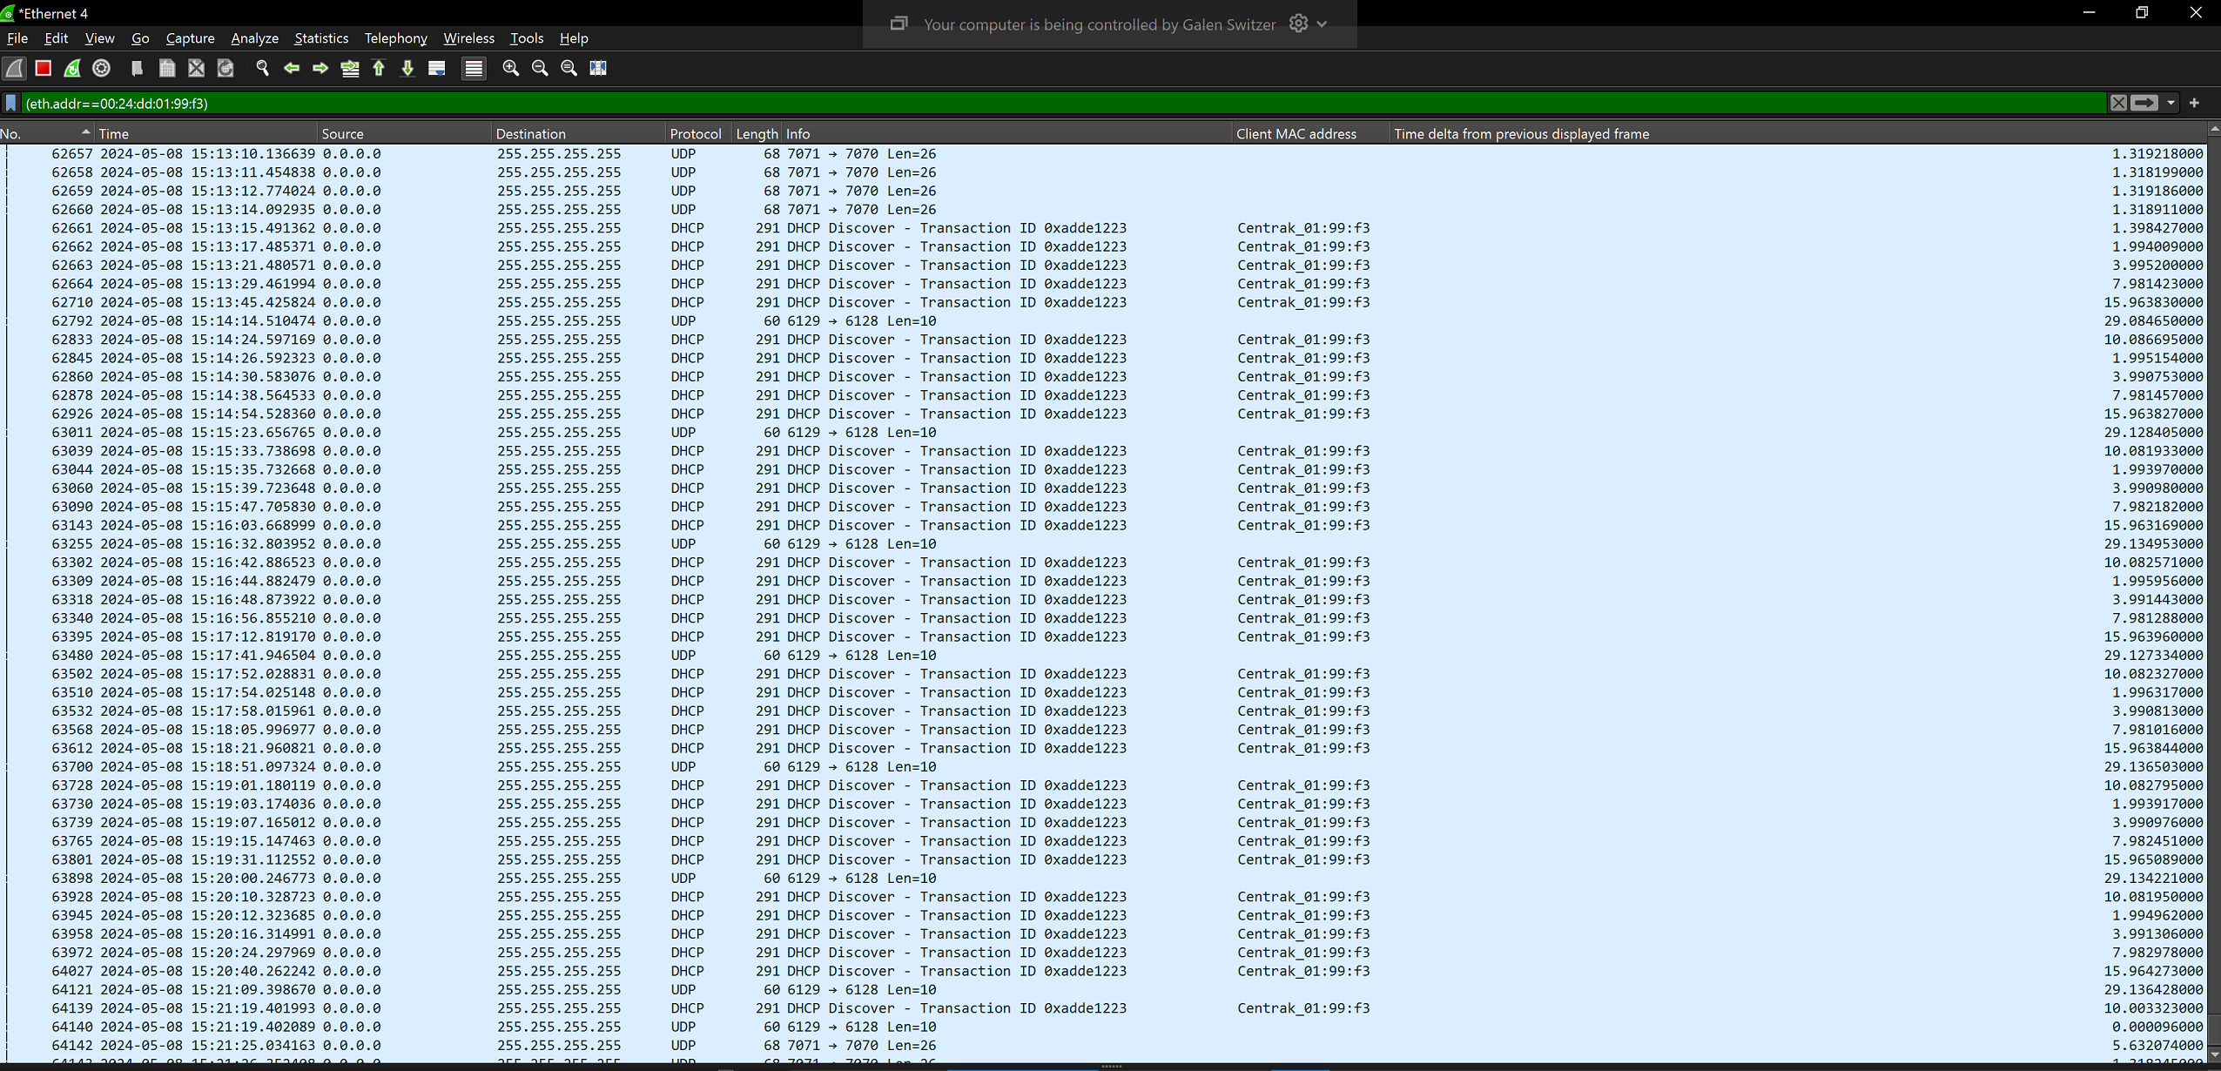
DHCP Process
SNo. | Functionality |  |  | Procedure |  |  | Expected Results |  |  | Date | Actual Results | Completed By | SW Rev | Remarks
11 | Star Profile with DHCP Enabled |  |  | 1. Configure star profile in Server Core Config in the Star Section. 2. Select IP mode as DHCP in the profile 3.Reload core Config. 4.Connect star |  |  | 1.Star reports in server via DHCP |  |  | 2024-05-07 | Pass | Galen Switzer | V.46
12 | Star Profile with DHCP Enabled. |  |  | 1. Configure star profile in Server Core Config in the Star Section. 2. Select IP mode as DHCP in the profile. 3. Reload core Config. 4. Connect star 5. Use separate router by disabling DHCP server. |  |  | 1.Capture star data with monitor session (SPAN), or port mirror device. Use wireshark to determine whether star is requesting IP from DHCP Server for every 10 secs. |  |  | 2024-05-08 | Fail | Galen Switzer | V.46 | Star does 7 DHCP Discovery cycles then resets... Each cycle consists of 5 tries. (this back off doesn't seem right) I thought the process was comprised of "6 discover messages in 60 seconds) then wait 10 sec, debug. 6 cycles then reset.
13 | Star Profile with DHCP Enabled. Fail DHCP More than 6 cycles |  |  | 1. Configure star profile in Server Core Config in the Star Section. 2. Select IP mode as DHCP in the profile. 3. Reload core Config. 4. Connect star 5. Use separate router by disabling DHCP server. |  |  | 1.Watch in Etheral (Netgear) whether star is requesting IP from DHCP Server for every 10 secs. 2.After 6 try star will be Reseted. Once again it will ask discovery request with Star. |  |  | 2024-05-08 | Fail | Galen Switzer | V.46 | Star resets after "7 Full Consecutive Cycles" instead of 6.
14 | Star Profile with out DHCP Enabled |  |  | 1. Configure star profile in Server Core Config in the Star Section. 2. Select IP mode as Static IP in the profile. 3. Reload core Config. 4. Connect star |  |  | 1.Watch in Etheral (Netgear) that star should not request IP from DHCP Server 2.Star gets the static IP from the profile |  |  | 2024-05-07 | Pass | Galen Switzer | V.46
15 | DHCP Reinitialize |  |  | 1. Configure star profile in Server Core Config in the Star Section. 2. Select IP mode as DHCP in the profile. 3. Reload core Config. 4. Connect star |  |  | 1.Watch in Wireshark whether Star is requesting IP from DHCP Server at the half time of the lease duration. |  |  | 2024-05-09 | Pass | Galen Switzer | V46 | Star will do DHCP reinitialize based on half of the DHCP Lease time provided by DHCP Server.
16 | DHCP renewal based on half of the DHCP Lease time(Above 30 mins) |  |  | 1. Set the Lease time through router. 2. Make sure the star is enters server through the router. 3. Run the Wireshark. 4. Confrm the star will do renewal by half of the lease time once. |  |  | Star will do DHCP renewal based on half of the DHCP Lease time provided by DHCP Server. |  |  | 2024-05-09 | Pass | Galen Switzer | V46 | Configured Lease Time as 30 mins, In Wireshak Star did DHCP renewal every 15 mins
17 | For Lease time is below 30 mins |  |  | 1. Set the Lease time less than 30 mins through router. 2. Make sure the star is enters server through the router. 3. Run the Wireshark. 4. Confrm the star will do renewal by half of the lease time once. |  |  | Star ignores the Lease time provided by the DHCP Server, instead of that DHCP Renewal will be done once in every 15 mins. |  |  | 2024-05-09 | Pass | Galen Switzer | V46 | Configured Lease Time as 29 mins, In Wireshak Star did DHCP renewal every 15 mins
18 | No response for DHCP Renewal |  |  | 1. Configure the DHCP router IP to some range(Ex: 101 to 110). 2. Make sure the star enters the server with the IP range given through the DHCP router. 3. Change the DHCP router IP range other than already set. (Ex: 111 to 120) 4. Wait for the star DHCP renewal time. 5. Run the wireshark to view the DHCP discover process. |  |  | Once DHCP Reinit time reached the star will do discover. In that discover star get NACK response from the DHCP router. Star will get reset and enters server with the latest updated IP range given for the discovery response. ie)111 to 120 in DHCP router. |  |  | 2024-05-09 | Fail | Galen Switzer | V46 | Star get Nacked and Reset but we got nacked from wrong reason i think. *** but i think we are doing this wrong : If you have star with Static -> DHCP -> RESET -> STAR WITH SAVE SETTINGS. STAR CAN REQUEST IP WITH INCORRECT ADDR
19 | Change IP mode from Static to DHCP or DHCP to Static. |  |  | 1. Make sure the star is in DHCP Ip mode and enters server. 2. Run the wireshark. 3. Switch a group of stars from Static IP mode to DHCP mode. 4. Confirm whether the star did not get stuck in DHCP process. |  |  | Star will exit server and do discovery process. Confirm the star will continues discovery untill it receives response. |  |  | 2024-05-08 | Pass | Galen Switzer | V46 | Star will not change profile until triggered by reset command. Not sure if this is an issue

Time Request (only For Ethernet Star)
SNo. | Functionality |  |  | Procedure |  |  | Expected Results |  |  | Date | Actual Results | Completed By | SW Rev | Remarks
20 | Time Request with Timeserver |  |  | 1.Configure star profile in Server Core Config in the Star Section. 2.Configure in server.ini file ROUND_TRIP_OFFSET in section STAR_SETTINGS as 3 3.Reload core Config. 4.Connect star |  |  | 1.The Non Sync count is 0. If it is greater than 0 then Star didn’t get time from Timestar. Once it get the time from timestar the non sync count will be reseted. Shows an Error message as No Response from Time Star in Star Log |  |  |  | In Progress |  |  | ROUND_TRIP_OFFSET: Time Taken to get time from timestar. This offset should be less than offset defined in ini file, then only timeserver time will be taken to sync.
21 | Time Request with out Timeserver. Fail for 2 or 3 cycles |  |  | 1. Configure star profile in Server Core Config in the Star Section with wrong Timestar IP. 2.Configure in server.ini file ROUND_TRIP_OFFSET in section STAR_SETTINGS as 3 3.Reload core Config. 4.Connect star |  |  | 1.Check in the Star log that the star is requesting time 3 times for every 12 sec. |  |  |  | In Progress
22 | Time Request with out Timeserver. Fail for more than 12 cycles |  |  | 1. Configure star profile in Server Core Config in the Star Section with wrong Timestar IP. 2.Configure in server.ini file ROUND_TRIP_OFFSET in section STAR_SETTINGS as 3 3.Reload core Config. 4.Connect star |  |  | 1.Check in the Star log that the star is requesting time 3 times for every 12 sec. 2.After 12 cycles star will be reset. |  |  |  | In Progress
23 | Time Request while star is running |  |  | 1. Configure star profile in Server Core Config in the Star Section. 2.Configure in server.ini file ROUND_TRIP_OFFSET in section STAR_SETTINGS as 3 3.Reload core Config. 4.Connect star |  |  | 1.Watch in star log that Star is requesting time for every 12 sec. It will take the time if offset is less than ROUND_TRIP_OFFSET given in INI file. Maximum it will try 3 times. If not get time then it will run with their own time. If the non sync count is greater than or equal to 10 then we will reset the Star.(For this we have to enable Auto Reset option in PCServer section) |  |  |  | In Progress |  |  | In Activity Viewer, Event Code 435 will get updated for StarNonSync Overlimit with value 10 and star get reseted.

Time Sync Test (only For Ethernet Star)
SNo. | Functionality |  |  | Procedure |  |  | Expected Results |  |  | Date | Actual Results | Completed By | SW Rev | Remarks
24 | Star ID do time sync in first half of the beacon slot |  |  | 1. Setup some stars those do time sync in first half of the beacon slot. Example StarIDs)37,73,109 2. Power On the stars. 3. Let the stars run for a long period. |  |  | In Star Activity monitor tool verify the stars are reporting without break. |  |  | 2024-05-07 | Pass | Galen Switzer | V46 | V197 Timing
25 | Star ID do time sync in second half of the beacon slot |  |  | 1. Setup some stars those do time sync in second half of the beacon slot. Example StarIDs) 181,217,253 2. Power On the stars. 3. Let the stars run for a long period. |  |  | In Star Activity monitor tool verify the stars are reporting without break. |  |  | 2024-05-07 | Pass | Galen Switzer | V46 | V197 Timing
26 | Star ID do time sync next to IR slot |  |  | 1. Setup some stars those beacon slot next to IR Example StarIDs) 257,266,275 2. Power On the stars. 3. Let the stars run for a long period. |  |  | In Star Activity monitor tool verify the stars are reporting without break. |  |  |  | In Progress

Best Beacon Search (For Regular Star Only)
SNo. | Functionality |  |  | Procedure |  |  | Expected Results |  |  | Date | Actual Results | Completed By | SW Rev | Remarks
27 | Best Beacon Search with a Regular and Beacon Star |  |  | 1.Configure the stars profile in Server Core Config in the Star Section. 2.Configure one star as Regular star and another as Beacon star. 3.Reload core Config. 4.Connect star |  |  | 1. Watch in Core Live Active List if star is locked with that of Beacon star. |  |  |  | N/P
28 | Best Beacon Search with 3 Stars. |  |  | 1.Configure 2 stars profile in Server Core Config in the Star Section. 2.Configure two stars as Regular stars and another as Beacon star. 3.After One Regular Star and Beacon Star is active switch on the another Regular Star. This Regular StarId should be greater than other two Ids.Place one star near to that Star and another one far away. 3.Reload core Config. 4.Connect star |  |  | 1. Watch in Core Live Active List if star is locked with that of near star. |  |  |  | N/P
29 | Best Beacon Search with 3 Stars. |  |  | 1.Configure 3 stars profile in Server Core Config in the Star Section. 2.Configure two stars as Regular stars and another as Beacon star. 3.After One Regular Star and Beacon Star is active switch on the another Regular Star. This Regular StarId should be greater than Beacon star and the other regular star should be smaller than this star ID .Place regular star near to that Star and Beacon star far away. 3.Save and Reload core Config. 4.Connect star |  |  | 1.Watch in Core Live Active List whether Star is locked with that Beacon Star. |  |  |  | N/P
30 | Best Beacon Search with 4 Stars. |  |  | 1.Configure 4 stars profile in Server Core Config in the Star Section. 2.Configure 3 stars as Regular stars and another as Beacon star. 3.After 2 Regular Stars and Beacon Star is active switch on the another Regular Star. This Regular StarId should be greater than Beacon star and the one of regular star. the other regular star should be smaller than this star ID .Place regular star near to that Beacon Star and larger regular star ID. 3.Save and Reload core Config. 4.Connect star |  |  | 1.Watch in PCServer active list whether Star is locked with that Beacon Star. |  |  |  | N/P
31 | Best Beacon Search with 4 Stars. |  |  | 1.Configure 4 stars profile in Server Core Config in the Star Section. 2.Configure 3 stars as Regular stars and another as Beacon star. 3.After 2 Regular Stars and Beacon Star is active switch on the another Regular Star. This Regular StarId should be greater than all stars.Place regular star near to 2 Stars and another 2 stars should be far away for which Rssi value should be greater than thershold defined in INI file. 3.Save and Reload core Config. 4.Connect star |  |  | 1.Watch in PCServer active list whether Star is locked with that Star near. |  |  |  | N/P
32 | Best Beacon Search with 4 Stars. |  |  | 1.Configure 4 stars profile in Server Core Config in the Star Section. 2.Configure 3 stars as Regular stars and another as Beacon star. 3.After 2 Regular Stars and Beacon Star is active switch on the another Regular Star. This Regular StarId should be greater than all stars.Place regular star near to 2 Stars and another 2 stars should be far away by which it should not get best star ID. 3.Save and Reload core Config. 4.Connect star |  |  | 1.Watch in PCServer the Star get reset after 12 secs with out getting No Best Beacons. |  |  |  | N/P |  |  | In star log page, After 120 Secs Star get reseted by No Beacon Reset Note: This is expected behavior of the star. Need to change the expected result.

Beacon Send
SNo. | Functionality |  |  | Procedure |  |  | Expected Results |  |  | Date | Actual Results | Completed By | SW Rev | Remarks
33 | Beacon send |  |  | 1.Configure Duty Cycle as 1 in STAR_SETTINGS section in Server.ini file. 2.Use single Star |  |  | 1.Watch in chipcon board in 120 channel Base frequency 880MHz at 76.8 bit rate, in Packet receive mode. For every 12 sec the chipcon should receive beacon packet from Star. |  |  |  | N/P |  |  | Star will do Beacon Tx every 12 sec and it is not depends on Duty Cycle.
34 | Beacon send |  |  | 1.Configure Duty Cycle as 2 in STAR_SETTINGS section in Server.ini file 2.Use single Star |  |  | 1.Watch in chipcon board in 120 channel Base frequency 880MHz at 76.8 bit rate, in Packet receive mode. For every 24 sec the chipcon should receive beacon packet from Star. |  |  |  | N/P |  |  | Star will do Beacon Tx every 12 sec and it is not depends on Duty Cycle.
35 | Beacon send |  |  | 1.Configure Duty Cycle as 3 in STAR_SETTINGS section in Server.ini file 2.Use single Star |  |  | 1.Watch in chipcon board in 120 channel Base frequency 880MHz at 76.8 bit rate, in Packet receive mode. For every 36 sec the chipcon should receive beacon packet from Star. |  |  |  | N/P |  |  | Star will do Beacon Tx every 12 sec and it is not depends on Duty Cycle.
36 | Beacon send |  |  | 1.Configure Duty Cycle as 4 in STAR_SETTINGS section in Server.ini file 2.Use single Star |  |  | 1.Watch in chipcon board in 120 channel Base frequency 880MHz at 76.8 bit rate, in Packet receive mode. For every 48 sec the chipcon should receive beacon packet from Star. |  |  |  | N/P |  |  | Star will do Beacon Tx every 12 sec and it is not depends on Duty Cycle.
37 | Beacon send |  |  | 1.Configure Duty Cycle as 5 in STAR_SETTINGS section in Server.ini file 2.Use single Star |  |  | 1.Watch in chipcon board in 120 channel Base frequency 880MHz at 76.8 bit rate, in Packet receive mode. For every 1min the chipcon should receive beacon packet from Star. |  |  |  | N/P |  |  | Star will do Beacon Tx every 12 sec and it is not depends on Duty Cycle.

Beacon Receive (For Regular Star and Devices locked in that Star)
SNo. | Functionality |  |  | Procedure |  |  | Expected Results |  |  | Date | Actual Results | Completed By | SW Rev | Remarks
38 | Beacon Receive |  |  | 1.Take an active Regular Star |  |  | 1.Watch in Core Server that Star should not pages and should not goes inactive. |  |  |  | N/P
39 | Beacon Receive Fail in count |  |  | 1.Configure NUM_BEACON_FAILS in Star Settings as 5. 2.Configure two Stars one Star as Beacon Star and another one as Regular Star. 3.After two Stars come active stop the Beacon Tx of Beacon Star. |  |  | 1.Watch in Server that Regular star pages after 3 beacon fails.(if Duty cyle is 1 after 36 secs) and regular star is in continuous paging for every 3 beacon fails. |  |  |  | N/P |  |  | Star did not pages after 3 beacon fails as expected. In star log page, After 10 Beacon Search Star get reseted by No Beacon Reset
40 | Beacon and Paging Ack fails |  |  | 1.Configure NUM_BEACON_FAILS in Star Settings as 5. 2.Configure two Stars one Star as Beacon Star and another one as Regular Star. 3.After two Stars come active stop the Beacon Tx and Paging Tx of Beacon Star. |  |  | 1.Watch in Server that Regular star pages after 3 beacon fails.(if Duty cyle is 1 after 36 secs) and it goes inactive after 5 beacon fails and Star gets reseted without no best beacons |  |  |  | N/P |  |  | Star pages after 3 beacon fails as expected. However in server, there is no star Page data. In star log page, After 10 Beacon Search Star get reseted by No Beacon Reset
41 | Beacon Receive Fail in Rssi Threshold |  |  | 1.Configure NUM_BEACON_FAILS in Star Settings as 5 and BEACON_RSSI_THRESHOLD as -80 in Star settings section. 2.Configure two Stars one Star as Beacon Star and another one as Regular Star. 3.After two Stars come active Move the Beacon Star so that Beacon RSSI should be greater than -80(Beacon send strength should be weaker) |  |  | 1.Watch in Server that Regular star pages after 3 beacon fails.(if Duty cyle is 1 after 36 secs) and regular star is in continuous paging for every 3 beacon fails. |  |  |  | N/P |  |  | Star did not pages after 3 beacon fails as expected. In firmware itself we did not reset the star when the received RSSI range is greater than Threshold. In star log page, After 10 Beacon Search Star get reseted by No Beacon Reset
42 | Beacon Fail End Limit |  |  | 1.Make a special star which sends beacon once in 3 cycles. 2.Configure NUM_BEACON_FAILS in Star Settings as 5. 3.Make the Special Star as beacon star and another star as regular star |  |  | 1.Watch in PCServer Regular Star should not pages. |  |  |  | N/P

Server Discovery
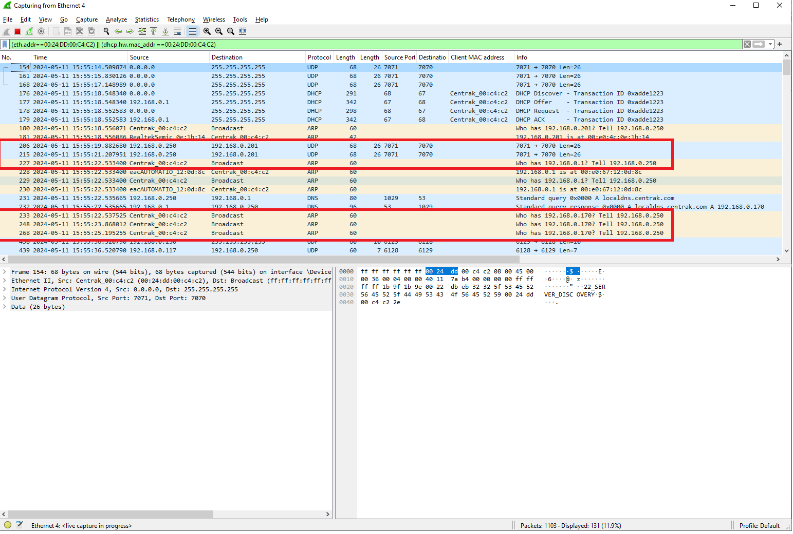
Case:1
Discovery Request with server

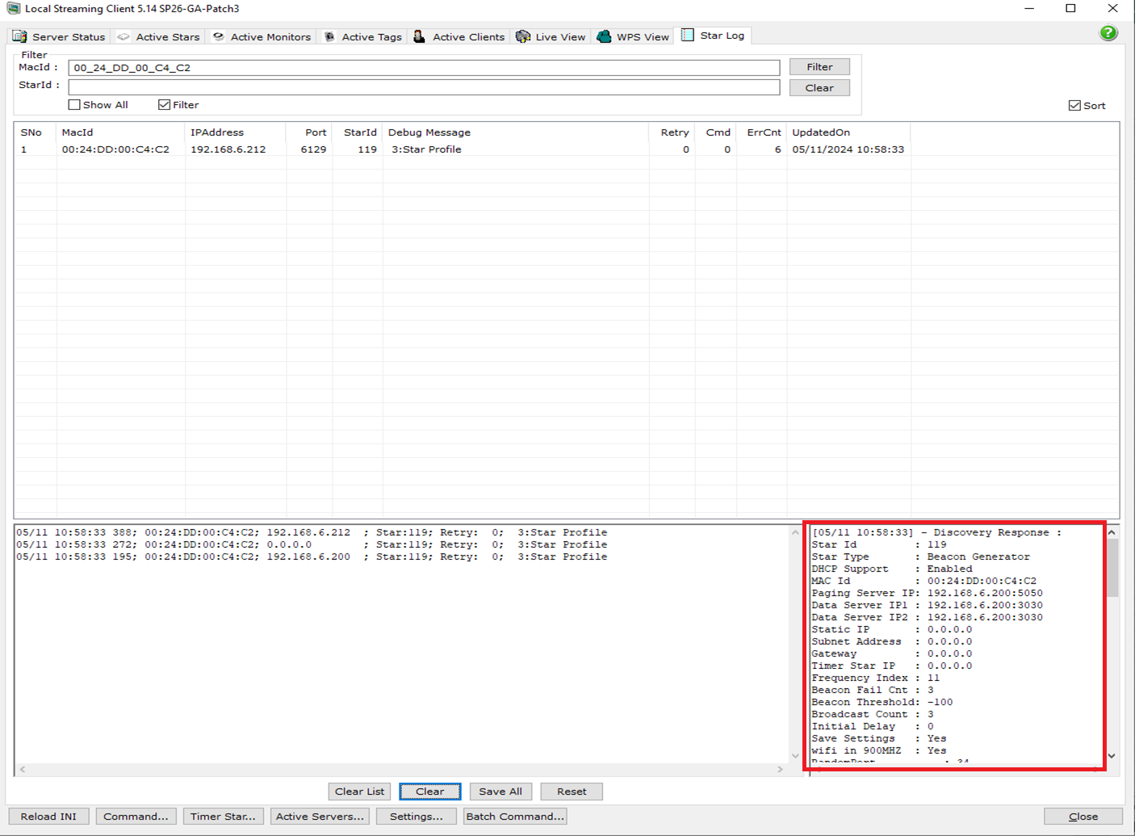

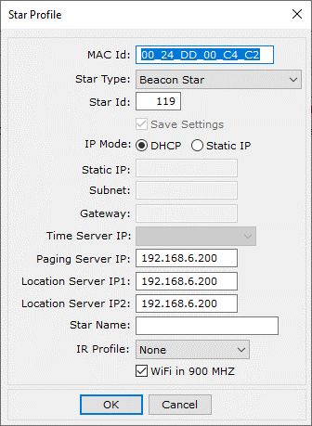

Case 2:
Discovery Request Fail

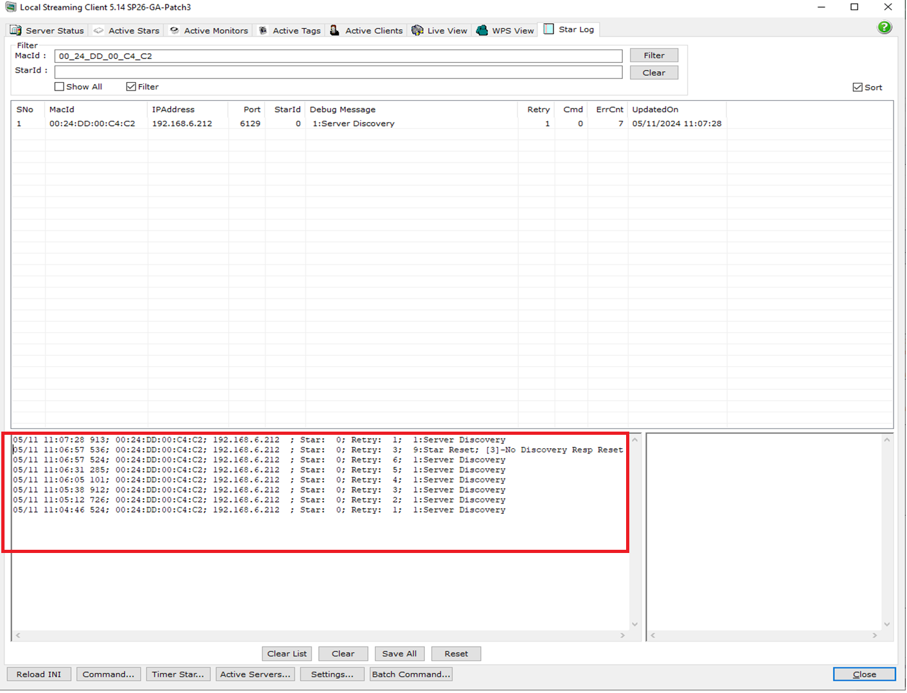

Case 6:
Broadcast with server

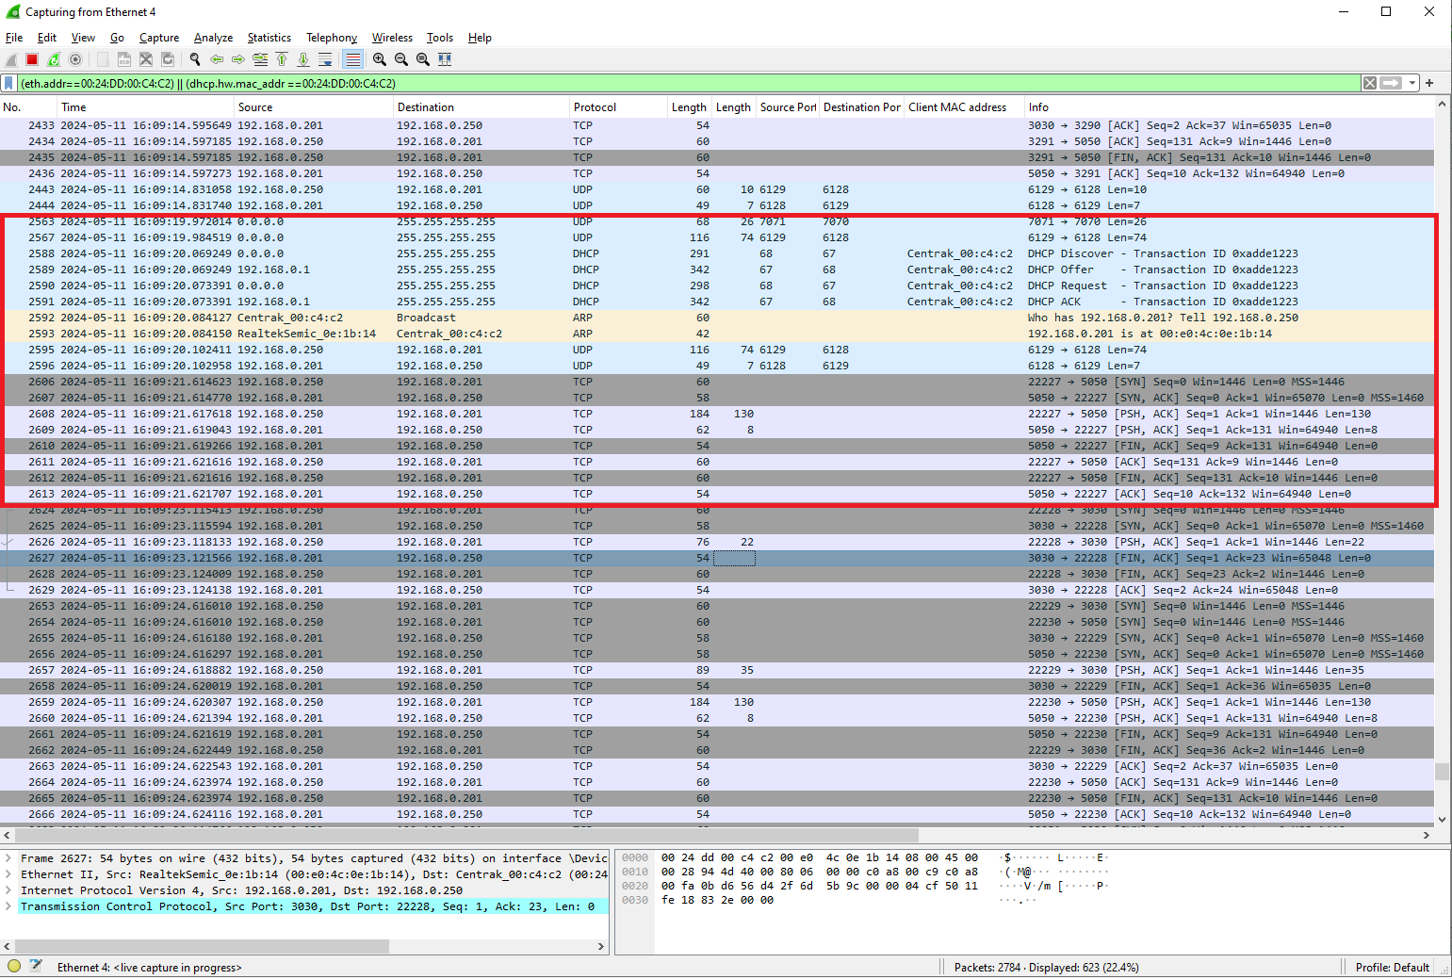

Case 7:
Broadcast without server
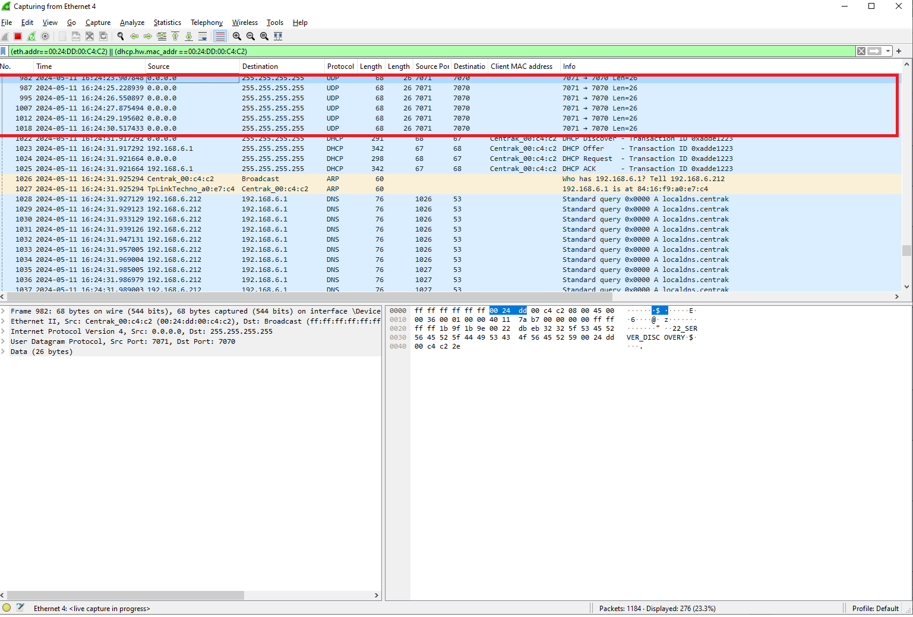

Case 8:
Unicast

